Plan Prep
Name of Counselor :
Classes/Grades responsible for:
Date of Evaluation:
Name of Evaluator:

Please select rating for each component in the "Rating" dropdown box for that component (Column "F", yellow cells). Scores will automatically be calculated based on component ranking. Do not enter overall performance, component point totals, or total points. The link to the rubrics is located at the bottom.

Domain 1: Planning and Preparation
 | Unsatisfactory | Basic | Proficient | Distinguished | Rating
 | (1 point) | (2 points) | (3 points) | (4 points)
1a: Demonstrating Knowledge of Counseling Theory and Techniques | Notes: | Notes: | Notes: | Notes: | Proficient
1a Point Total |  |  |  |  | 3
1b: Demonstrating Knowledge of Child and Adolescent Development | Notes: | Notes: | Notes: | Notes:
1b Point Total |  |  |  |  | 0
1c: Establishing Goals for the Counseling Program Appropriate to the Setting and the Students Served | Notes: | Notes: | Notes: | Notes: | Distinguished
1c Point Total |  |  |  |  | 4
1d: Demonstrating Knowledge of state and Federal Regulations and of Resources Both Within and Beyone the School District | Notes: | Notes: | Notes: | Notes: | Unsatisfactory
1d Point Total |  |  |  |  | 1
1e: Planning the Counseling Program, Integrated with the Regular School Program | Notes: | Notes: | Notes: | Notes:
1e Point Total |  |  |  |  | 0
1f: Developing a Plan to Evaluate the Counseling Program | Notes: | Notes: | Notes: | Notes:
1f Point Total |  |  |  |  | 0
Total Points |  |  |  |  | 8
Possible Points |  |  |  |  | 12
Domain 1 performance is determined by a combination of scores on 1a-1f. |  |  | DOMAIN 1 PERFORMANCE
 |  |  |  | PROFICIENT

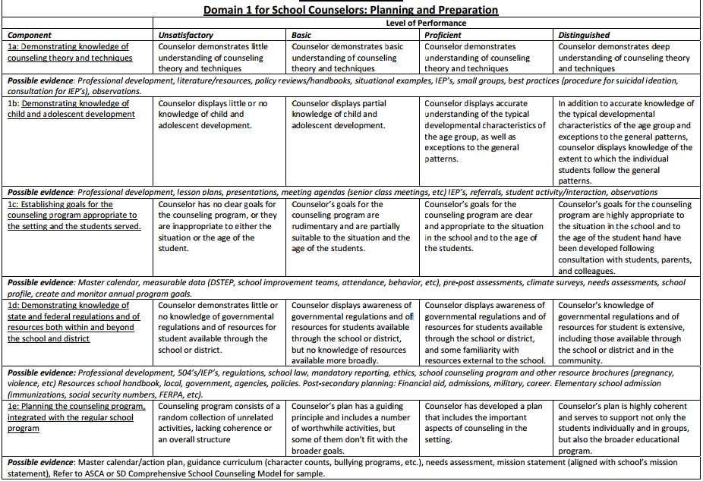

Environment
Name of Counselor :
Classes/Grades responsible for:
Date of Evaluation:
Name of Evaluator:

Please select rating for each component in the "Rating" dropdown box for that component (Column "F", yellow cells). Scores will automatically be calculated based on component ranking. Do not enter overall performance, component point totals, or total points. The link to the rubrics is located at the bottom.

Domain 2: The Environment
 | Unsatisfactory | Basic | Proficient | Distinguished | Rating
 | (1 point) | (2 points) | (3 points) | (4 points)
2a: Creating an Environment of Respect and Rapport | Notes: | Notes: | Notes: | Notes: | Unsatisfactory
2a Point Total |  |  |  |  | 1
2b: Establishing a Culture for Productive Communication | Notes: | Notes: | Notes: | Notes: | Proficient
2b Point Total |  |  |  |  | 3
2c: Managing Routines and Procedures | Notes: | Notes: | Notes: | Notes: | Proficient
2c Point Total |  |  |  |  | 3
2d: Establishing Standards of Conduct and Contributing to the Culture for Student Behavior Throughout the School | Notes: | Notes: | Notes: | Notes: | Proficient
2d Point Total |  |  |  |  | 3
2e: Organizing Physical Space | Notes: | Notes: | Notes: | Notes: | Proficient
2e Point Total |  |  |  |  | 3
 |  |  |  |  | 13
Possible Points |  |  |  |  | 20
Domain 2 performance is determined by a combination of scores on 2a-2e. |  |  | DOMAIN 2 PERFORMANCE
 |  |  |  | PROFICIENT

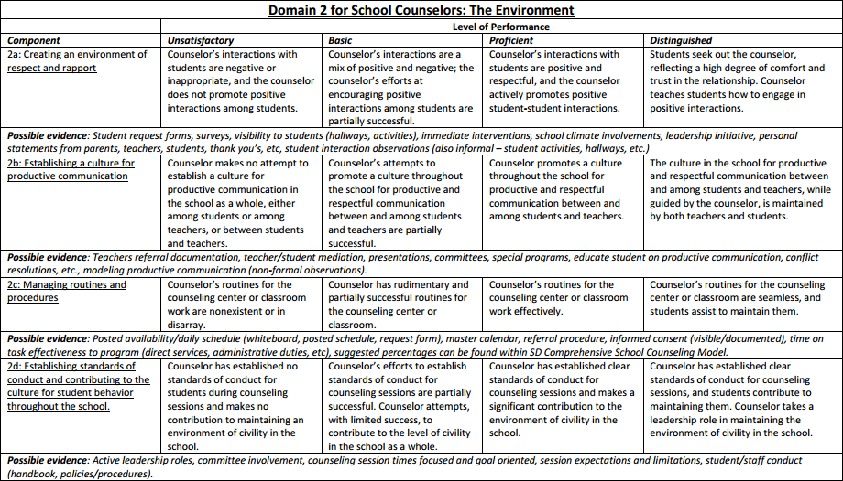

Delivery of Service
Name of Counselor :
Classes/Grades responsible for:
Date of Evaluation:
Name of Evaluator:

Please select rating for each component in the "Rating" dropdown box for that component (Column "F", yellow cells). Scores will automatically be calculated based on component ranking. Do not enter overall performance, component point totals, or total points. The link to the rubrics is located at the bottom.

Domain 3: Delivery of Service
 | Unsatisfactory | Basic | Proficient | Distinguished | Rating
 | (1 point) | (2 points) | (3 points) | (4 points)
3a: Assessing Student Needs | Notes: | Notes: | Notes: | Notes: | Distinguished
3a Point Total |  |  |  |  | 4
3b: Assisting Students and Teachers in the Formulation of Academic, Personal/Social, and Career Plans, Based on the Knowledge of Student Needs | Notes: | Notes: | Notes: | Notes: | Proficient
3b Point Total |  |  |  |  | 3
3c: Using Counseling Techniques in Individual and Classroom Programs | Notes: | Notes: | Notes: | Notes: | Proficient
3c Point Total |  |  |  |  | 3
3d: Brokering Resources to Meet Needs | Notes: | Notes: | Notes: | Notes: | Distinguished
3d Point Total |  |  |  |  | 4
3e: Demonstrating Flexibility and Responsiveness | Notes: | Notes: | Notes: | Notes: | Basic
3e Point Total |  |  |  |  | 2
Total Points |  |  |  |  | 16
Possible Points |  |  |  |  | 20
Domain 3 performance is determined by a combination of scores on 3a-3e. |  |  | DOMAIN 3 PERFORMANCE
 |  |  |  | PROFICIENT

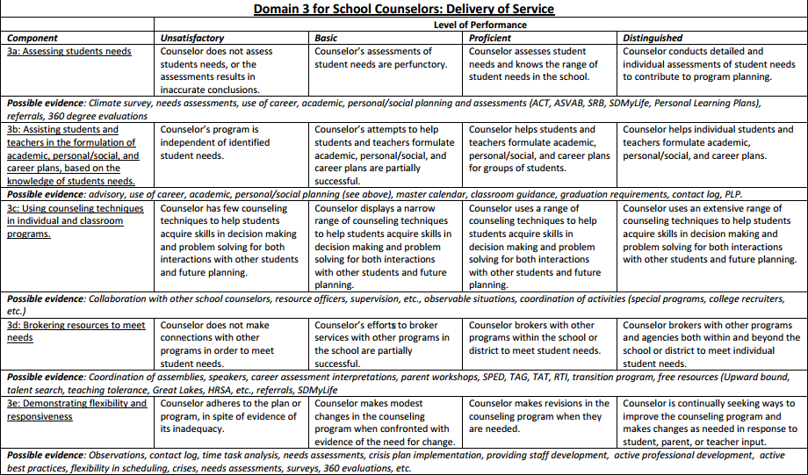

Prof Responsibilities
Name of Counselor :
Classes/Grades responsible for:
Date of Evaluation:
Name of Evaluator:

Please select rating for each component in the "Rating" dropdown box for that component (Column "F", yellow cells). Scores will automatically be calculated based on component ranking. Do not enter overall performance, component point totals, or total points. The link to the rubrics is located at the bottom.

Domain 4: Professional Responsibilities
 | Unsatisfactory | Basic | Proficient | Distinguished | Rating
 | (1 point) | (2 points) | (3 points) | (4 points)
4a: Reflecting on Practice | Notes: | Notes: | Notes: | Notes: | Proficient
4a Point Total |  |  |  |  | 3
4b: Maintaining Records and Submitting Them in a Timely Fashion | Notes: | Notes: | Notes: | Notes: | Distinguished
4b Point Total |  |  |  |  | 4
4c: Communicating with Families | Notes: | Notes: | Notes: | Notes: | Distinguished
4c Point Total |  |  |  |  | 4
4d: Participating in a Professional Community | Notes: | Notes: | Notes: | Notes: | Distinguished
4d Point Total |  |  |  |  | 4
4e: Engaging in Professional Development | Notes: | Notes: | Notes: | Notes: | Distinguished
4e Point Total |  |  |  |  | 4
4f: Showing Professionalism | Notes: | Notes: | Notes: | Notes: | Unsatisfactory
4f Point Total |  |  |  |  | 1
Total Points |  |  |  |  | 20
Possible Points |  |  |  |  | 24
Domain 4 performance is determined by a combination of scores on 4a-4f. |  |  | DOMAIN 4 PERFORMANCE
 |  |  |  | PROFICIENT

