Calculator SY 18-19
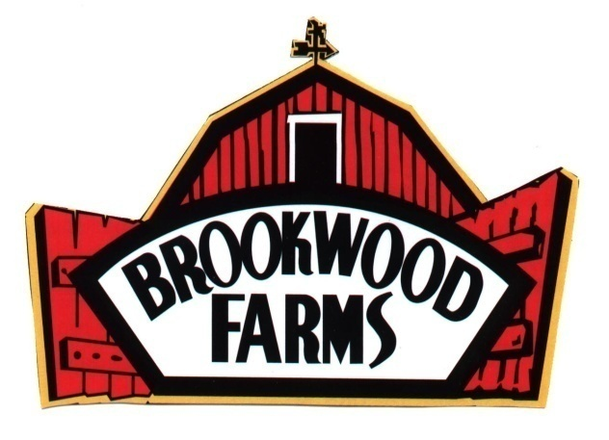
 |  |  | BROOKWOOD FARMS COMMODITY PROCESSING PROGRAM
 |  |  |  |  |  | P.O. Box 277
 |  |  |  |  |  | Siler City, N.C. 27344

 |  |  |  |  |  | School Year 2018- 2019

 |  |  |  | A |  | B |  | C |  | D |  | E |  | F |  | G
Item # | Description | CN Serving Size (oz) | Finish Case Net Weight | ADP/Estimated Servings per Menu | ÷ | Serving per Case | = | Number of Cases per Serving | X | # DF per Case | = | # DF per Menu Date | X | Number of Times on Menu | = | # of DF Needed to Order | Value Pass Thru per case | Approximate Return Yield per 1,000 lbs. of Donated Foods
 |  |  |  |  |  |  |  |  |  |  |  |  |  |  |  |  |  | Cases | Servings
12300 | Pork Barbeque with Vinegar Sauce | 3.4 | 20 lb. |  | ÷ | 94 | = | - | X | 26.0 | = | 0 | X |  | = | - | $28.91 | 38.4 | 3610

12302 | Pork Barbeque with Vinegar Marinate | 2.5 | 40 lb |  | ÷ | 256 | = | - | X | 64 | = | - |  |  | = | - | $71.16 | 15.63 | 4001

12305 | Pork Barbeque with Western Sauce | 4.0 | 20 lb. |  | ÷ | 80 | = | 0 | X | 22.8 | = | 0 | X |  | = | - | $25.35 | 43.8 | 3504

12307 | Pork Barbeque with Lower Sodium Western Sauce | 4.0 | 20 lb. |  | ÷ | 80 | = | - | X | 22.8 | = | 0 | X |  | = | - | $25.35 | 43.8 | 3504

12303 | Pork Carnitas | 2.5 | 20 lb. |  | ÷ | 128 | = | - | X | 32 | = | 0 | X |  | = | - | $35.58 | 31.25 | 4001

 |  |  |  |  |  |  |  |  |  |  |  |  |  | Grand Total |  | -
Input your school's information in highlighted yellow boxes.

 | If you have any questions, please contact:

 | Brookwood Farms, Inc.
 | 919-663-3612 Phone
 | 919-663-2396 Fax

